Sheet7
Row Labels | Sum of REVENUE
Apparel | 34815.39
Domestic Items | 44806.64
Tech Gadgets | 48690.49
Grand Total | 128312.52

INTERPRETATION:
The column chart shows section on x-axis and total revenue on |  |  | on y axis, the tech gadgets earn maximum reveue which is 48690.49 where as apparel eran minmm revenue which is 34815.39 , |  | earn minimum revnue which is 34815.39
 |  |  | this means that tech gadget | gadgets is most running section among all three sections. | so apparel needs to be more focuse in future for high revenue.

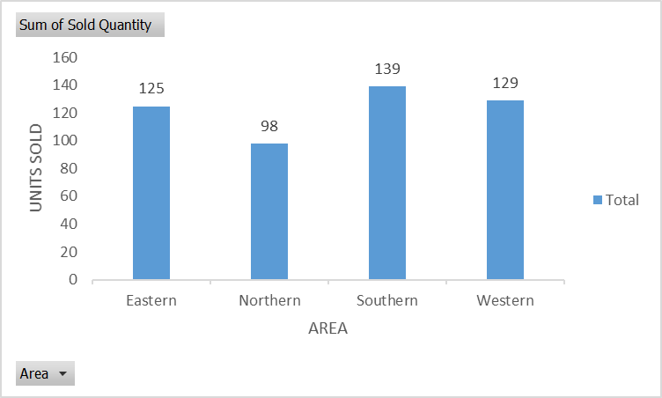
Row Labels | Sum of Sold Quantity
Eastern | 125
Northern | 98
Southern | 139
Western | 129
Grand Total | 491

interpretation:
this column chart include area on x axis |  | axis and units sold on y axis
by area wise southern sold maximum uni that are 139 and northern sold just 98 units which are very low as compare to southern.

